S Str&Pad
Philippines |  |  | perc_baseline |  | perc_target |  | RR_d | RR_i | perc_fatal_side | perc_nonfatal_side |  |  |  | lcl_bl_deaths | lcl_bl_nonfatal |  | affected_deaths | rest_deaths | affected_deaths= affected_deaths* (1 - `prop_target'*(1-`RR_d'))/(1 - `prop_baseline'*(1-`RR_d'))
REG | TECHNOLOGY |  | CURRENT AVAILABILITY | INTERVENTION | COUNTERFACTUAL USE | Affected Groups | RELATIVE RISK (death) | RELATIVE RISK (injury) | PROP. OF SIDE CRASHES (death) | PROP OF SIDE CRASHES (injuries) | POPULATION AFFECTED |  |  | BASELINE DEATHS | BASELINE INJURIES | AFFECTED GROUP | AFFECTED DEATHS |  | INTERVENTION
UN 95, UN 135 | SIDE STR&PADD |  | 0 | SIDE STRUCTURE IN ALL CAR, TRUCK, BUS | 1 | Occupants | 0.79 | 0.79 | 0.25 | 0.337
 |  |  |  |  |  |  |  |  |  |  | Cause | Sex | Age | Deaths | Injuries | NO=0 / YES=1 | Deaths | Deaths | Deaths
 |  |  |  |  |  |  |  |  |  |  | Pedestrian | Male | <5 years | 47 | 123 | 0 | 46.68 | 0.00 | 47
 |  |  |  |  |  |  |  |  |  |  | Pedestrian | Male | 5-9 years | 90 | 783 | 0 | 89.87 | 0.00 | 90
 |  |  |  |  |  |  |  |  |  |  | Pedestrian | Male | 10-14 years | 67 | 1913 | 0 | 67.05 | 0.00 | 67
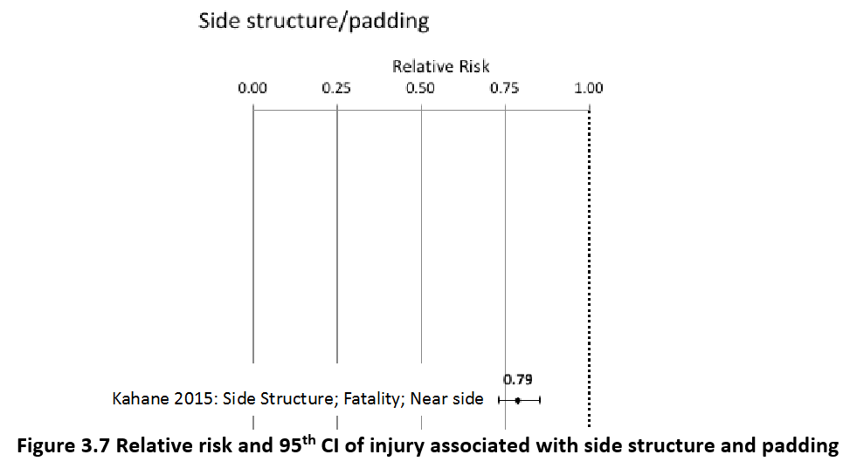
 |  |  |  |  |  |  |  |  |  |  | Pedestrian | Male | 15-19 years | 68 | 3461 | 0 | 68.45 | 0.00 | 68
 |  |  |  |  |  |  |  |  |  |  | Pedestrian | Male | 20-24 years | 115 | 4999 | 0 | 115.31 | 0.00 | 115
 |  |  |  |  |  |  |  |  |  |  | Pedestrian | Male | 25-29 years | 107 | 5128 | 0 | 106.55 | 0.00 | 107
 |  |  |  |  |  |  |  |  |  |  | Pedestrian | Male | 30-34 years | 114 | 4025 | 0 | 114.40 | 0.00 | 114
 |  |  |  |  |  |  |  |  |  |  | Pedestrian | Male | 35-39 years | 100 | 3390 | 0 | 99.96 | 0.00 | 100
 |  |  |  |  |  |  |  |  |  |  | Pedestrian | Male | 40-44 years | 93 | 2856 | 0 | 92.72 | 0.00 | 93
 |  |  |  |  |  |  |  |  |  |  | Pedestrian | Male | 45-49 years | 114 | 2461 | 0 | 113.59 | 0.00 | 114
 |  |  |  |  |  |  |  |  |  |  | Pedestrian | Male | 50-54 years | 118 | 2159 | 0 | 117.69 | 0.00 | 118
 |  |  |  |  |  |  |  |  |  |  | Pedestrian | Male | 55-59 years | 105 | 1800 | 0 | 105.16 | 0.00 | 105
 |  |  |  |  |  |  |  |  |  |  | Pedestrian | Male | 60-64 years | 109 | 1319 | 0 | 108.60 | 0.00 | 109
 |  |  |  |  |  |  |  |  |  |  | Pedestrian | Male | 65-69 years | 86 | 763 | 0 | 86.03 | 0.00 | 86
 |  |  |  |  |  |  |  |  |  |  | Pedestrian | Male | 70-74 years | 63 | 422 | 0 | 63.00 | 0.00 | 63
 |  |  |  |  |  |  |  |  |  |  | Pedestrian | Male | 75-79 years | 58 | 247 | 0 | 58.04 | 0.00 | 58
 |  |  |  |  |  |  |  |  |  |  | Pedestrian | Male | 80-84 years | 35 | 113 | 0 | 34.77 | 0.00 | 35
 |  |  |  |  |  |  |  |  |  |  | Pedestrian | Male | 85+ | 22 | 46 | 0 | 22.23 | 0.00 | 22
 |  |  |  |  |  |  |  |  |  |  | Pedestrian | Female | <5 years | 35 | 153 | 0 | 35.34 | 0.00 | 35
 |  |  |  |  |  |  |  |  |  |  | Pedestrian | Female | 5-9 years | 65 | 748 | 0 | 64.53 | 0.00 | 65
 |  |  |  |  |  |  |  |  |  |  | Pedestrian | Female | 10-14 years | 40 | 1671 | 0 | 39.89 | 0.00 | 40
 |  |  |  |  |  |  |  |  |  |  | Pedestrian | Female | 15-19 years | 37 | 2611 | 0 | 36.61 | 0.00 | 37
 |  |  |  |  |  |  |  |  |  |  | Pedestrian | Female | 20-24 years | 45 | 2933 | 0 | 45.04 | 0.00 | 45
 |  |  |  |  |  |  |  |  |  |  | Pedestrian | Female | 25-29 years | 35 | 2386 | 0 | 35.49 | 0.00 | 35
 |  |  |  |  |  |  |  |  |  |  | Pedestrian | Female | 30-34 years | 39 | 1750 | 0 | 39.23 | 0.00 | 39
 |  |  |  |  |  |  |  |  |  |  | Pedestrian | Female | 35-39 years | 40 | 1539 | 0 | 39.65 | 0.00 | 40
 |  |  |  |  |  |  |  |  |  |  | Pedestrian | Female | 40-44 years | 36 | 1334 | 0 | 36.14 | 0.00 | 36
 |  |  |  |  |  |  |  |  |  |  | Pedestrian | Female | 45-49 years | 48 | 1280 | 0 | 48.21 | 0.00 | 48
 |  |  |  |  |  |  |  |  |  |  | Pedestrian | Female | 50-54 years | 59 | 1430 | 0 | 58.58 | 0.00 | 59
 |  |  |  |  |  |  |  |  |  |  | Pedestrian | Female | 55-59 years | 60 | 1556 | 0 | 60.32 | 0.00 | 60
 |  |  |  |  |  |  |  |  |  |  | Pedestrian | Female | 60-64 years | 80 | 1568 | 0 | 80.42 | 0.00 | 80
 |  |  |  |  |  |  |  |  |  |  | Pedestrian | Female | 65-69 years | 74 | 1256 | 0 | 73.84 | 0.00 | 74
 |  |  |  |  |  |  |  |  |  |  | Pedestrian | Female | 70-74 years | 73 | 873 | 0 | 73.40 | 0.00 | 73
 |  |  |  |  |  |  |  |  |  |  | Pedestrian | Female | 75-79 years | 69 | 594 | 0 | 68.92 | 0.00 | 69
 |  |  |  |  |  |  |  |  |  |  | Pedestrian | Female | 80-84 years | 44 | 382 | 0 | 43.57 | 0.00 | 44
...
Philippines |  |  | perc_baseline |  | perc_target |  | RR_d | RR_i | perc_fatal_side | perc_nonfatal_side
TOTAL | 10889 | 753532 | 10622 | 737534
 |  | Red.Per. | 0.02443875 | 0.021231 |  |  |  |  |  |  | Bicyclist | Male | 50-54 years | 43
 |  |  |  |  |  |  |  |  |  |  | Bicyclist | Male | 55-59 years | 40
SIDE STR&PADD | BASELINE DEATHS | BASELINE INJURIES | SIDE STR&PADD | SIDE STR&PADD |  |  |  |  |  |  | Bicyclist | Male | 60-64 years | 35
Pedestrian | 2416 | 60283 | 2416 | 60283 |  |  |  |  |  |  | Bicyclist | Male | 65-69 years | 26
Bicyclist | 507 | 22606 | 507 | 22606 |  |  |  |  |  |  | Bicyclist | Male | 70-74 years | 15
Motorcyclist | 2645 | 444584 | 2645 | 444584 |  |  |  |  |  |  | Bicyclist | Male | 75-79 years | 2
Occupant | 5069 | 226060 | 4803 | 210061 |  |  |  |  |  |  | Bicyclist | Male | 80-84 years | 1
Other | 252 | 0 | 252 | 0 |  |  |  |  |  |  | Bicyclist | Male | 85+ | 2
TOTAL | 10889 | 753532 | 10622 | 737534 |  |  |  |  |  |  | Bicyclist | Female | <5 years | 6
Philippines
 | BASELINE DEATHS | SIDE STR&PADD
Pedestrian | 2416 | 2416
Bicyclist | 507 | 507
Motorized Two Wheeler | 2645 | 2645
Motorized Three Wheeler | 0 | 0
Car | 5069 | 4803
Bus | 0 | 0
Truck | 0 | 0
Other | 252 | 252
 |  |  |  |  |  |  |  |  |  |  | Bicyclist | Female | 5-9 years | 8
Philippines
 | BASELINE INJURIES | SIDE STR&PADD
Pedestrian | 60283 | 60283
Bicyclist | 22606 | 22606
Motorized Two Wheeler | 444584 | 444584
Motorized Three Wheeler | 0 | 0
Car | 226060 | 210061
Bus | 0 | 0
Truck | 0 | 0
Other | 0 | 0
 |  |  |  |  |  |  |  |  |  |  | Bicyclist | Female | 10-14 years | 5
 |  |  |  |  |  |  |  |  |  |  | Bicyclist | Female | 15-19 years | 5
 |  |  |  |  |  |  |  |  |  |  | Bicyclist | Female | 20-24 years | 6
 |  |  |  |  |  |  |  |  |  |  | Bicyclist | Female | 25-29 years | 5
 |  |  |  |  |  |  |  |  |  |  | Bicyclist | Female | 30-34 years | 7
 |  |  |  |  |  |  |  |  |  |  | Bicyclist | Female | 35-39 years | 7
 |  |  |  |  |  |  |  |  |  |  | Bicyclist | Female | 40-44 years | 7
 |  |  |  |  |  |  |  |  |  |  | Bicyclist | Female | 45-49 years | 8
 |  |  |  |  |  |  |  |  |  |  | Bicyclist | Female | 50-54 years | 9
 |  |  |  |  |  |  |  |  |  |  | Bicyclist | Female | 55-59 years | 9
 |  |  |  |  |  |  |  |  |  |  | Bicyclist | Female | 60-64 years | 10
 |  |  |  |  |  |  |  |  |  |  | Bicyclist | Female | 65-69 years | 10
 |  |  |  |  |  |  |  |  |  |  | Bicyclist | Female | 70-74 years | 8
 |  |  |  |  |  |  |  |  |  |  | Bicyclist | Female | 75-79 years | 1
 |  |  |  |  |  |  |  |  |  |  | Bicyclist | Female | 80-84 years | 2
 |  |  |  |  |  |  |  |  |  |  | Bicyclist | Female | 85+ | 3
 |  |  |  |  |  |  |  |  |  |  | Motorized Two Wheeler | Male | <5 years | 30
 |  |  |  |  |  |  |  |  |  |  | Motorized Two Wheeler | Male | 5-9 years | 46
 |  |  |  |  |  |  |  |  |  |  | Motorized Two Wheeler | Male | 10-14 years | 47
 |  |  |  |  |  |  |  |  |  |  | Motorized Two Wheeler | Male | 15-19 years | 243
Philippines
Philippines
 |  |  |  |  |  |  |  |  |  |  | Motorized Two Wheeler | Male | 20-24 years | 433
 |  |  |  |  |  |  |  |  |  |  | Motorized Two Wheeler | Male | 25-29 years | 402
 |  |  |  |  |  |  |  |  |  |  | Motorized Two Wheeler | Male | 30-34 years | 258
 |  |  |  |  |  |  |  |  |  |  | Motorized Two Wheeler | Male | 35-39 years | 216
 |  |  |  |  |  |  |  |  |  |  | Motorized Two Wheeler | Male | 40-44 years | 186
 |  |  |  |  |  |  |  |  |  |  | Motorized Two Wheeler | Male | 45-49 years | 146
 |  |  |  |  |  |  |  |  |  |  | Motorized Two Wheeler | Male | 50-54 years | 112
 |  |  |  |  |  |  |  |  |  |  | Motorized Two Wheeler | Male | 55-59 years | 92
 |  |  |  |  |  |  |  |  |  |  | Motorized Two Wheeler | Male | 60-64 years | 33
 |  |  |  |  |  |  |  |  |  |  | Motorized Two Wheeler | Male | 65-69 years | 23
 |  |  |  |  |  |  |  |  |  |  | Motorized Two Wheeler | Male | 70-74 years | 11
 |  |  |  |  |  |  |  |  |  |  | Motorized Two Wheeler | Male | 75-79 years | 3
 |  |  |  |  |  |  |  |  |  |  | Motorized Two Wheeler | Male | 80-84 years | 2
 |  |  |  |  |  |  |  |  |  |  | Motorized Two Wheeler | Male | 85+ | 2
 |  |  |  |  |  |  |  |  |  |  | Motorized Two Wheeler | Female | <5 years | 15
 |  |  |  |  |  |  |  |  |  |  | Motorized Two Wheeler | Female | 5-9 years | 25
 |  |  |  |  |  |  |  |  |  |  | Motorized Two Wheeler | Female | 10-14 years | 18
 |  |  |  |  |  |  |  |  |  |  | Motorized Two Wheeler | Female | 15-19 years | 40
 |  |  |  |  |  |  |  |  |  |  | Motorized Two Wheeler | Female | 20-24 years | 45
 |  |  |  |  |  |  |  |  |  |  | Motorized Two Wheeler | Female | 25-29 years | 33
 |  |  |  |  |  |  |  |  |  |  | Motorized Two Wheeler | Female | 30-34 years | 24
 |  |  |  |  |  |  |  |  |  |  | Motorized Two Wheeler | Female | 35-39 years | 22
 |  |  |  |  |  |  |  |  |  |  | Motorized Two Wheeler | Female | 40-44 years | 23
 |  |  |  |  |  |  |  |  |  |  | Motorized Two Wheeler | Female | 45-49 years | 28
 |  |  |  |  |  |  |  |  |  |  | Motorized Two Wheeler | Female | 50-54 years | 25
 |  |  |  |  |  |  |  |  |  |  | Motorized Two Wheeler | Female | 55-59 years | 26
 |  |  |  |  |  |  |  |  |  |  | Motorized Two Wheeler | Female | 60-64 years | 9
 |  |  |  |  |  |  |  |  |  |  | Motorized Two Wheeler | Female | 65-69 years | 9
 |  |  |  |  |  |  |  |  |  |  | Motorized Two Wheeler | Female | 70-74 years | 7
 |  |  |  |  |  |  |  |  |  |  | Motorized Two Wheeler | Female | 75-79 years | 3
 |  |  |  |  |  |  |  |  |  |  | Motorized Two Wheeler | Female | 80-84 years | 2
...

